Table 2
 |  |  | 11. udel W@ e you dc §o XttdrlW / Health 6 Family |  | Welfare

11.6 Different Health FacilMes as on 51.04.2022 (In Numbers)
81.Nn. |  | 31-03-2021 dd'dod as on 31-03-2021 108 Ambulances F.R.U (First q y ^* Referral ‹. ›‹ ° • Un 3s) Veh{a}es No of |  | 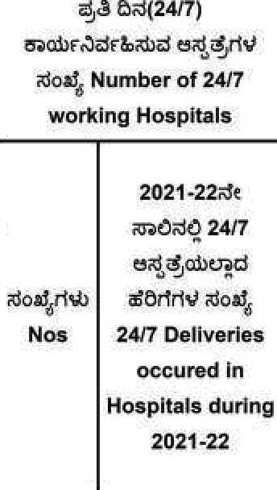 |  | 2021-22de a 6d@ dA Benlfiniaries availed Janani Sureksha Yojana durlng 2921-22 | 202’t-22Ue Oxl@ of Beneflciarlee reaelved Madilu kit during 2e21-z2 | 2021-22Ut Maternal Death during 2021-ZZ
 | 2 |  |  | 'I538 |  | 'tsse | 1540
 | cfVmC Belagavi | 56 42677 |  | B8 884P |  | 35381 | 0 | 43
2 | uaclu&/aetJ Bagalkote | 10 | 24 19207 | 36 43653 |  |  | 0 | 11
 |  | 4 | 29 26807 | 34 7469 |  | 12764 | 0 | 19
 |  | 26 2315t |  | 11J 46328 |  | 12644 | 0
5 | Otdd Bidar | 19 21459 |  | 2S 4093 |  | 10469 | 0 | 13
6 | cr a' tacb Raichuru | 21 |  | 61 37524 |  | 16303 | 0 | 48
 | &oa' Koppal | 17 17523 |  | 43 28422 |  | 11015 | 0 | 16
8 | adA Gadag | 7 | 1S 10929 | 24 2342 |  | 7514
 | Qadzzad Dharwada | 4 | 22 24050 | 20 2122 |  | 20701 | 0 | 71
10 | tru3d dded Uttara Kannada | 15 | 20 10512 | 30 9230 |  | 7372 | 0
11 |  | 21 17272 |  | 37 2565 |  | 19325 | 0 | 17
12 | u 8 Ballard | 4 | 14 14163 | 33 28827 |  | 33149 | 0 | 14
13 | Alec rtr Chitradurga | 24 22201 |  | 34 1934 |  |  | 0 | 9
14 | mbaddDavanegere | 19 14454 |  | z5 923 |  | 6586 | 0
15 | bdzlcj Shivamogga | 2p 21250 |  | 24 475 |  | 10711 | 0 | 24
16 | trucLA Udupi | 3 | 18 t3611 | \0 4858 |  | 6016 | 0 | 12
17 | use ñ Chlkkamagaluru | 1s t1871 |  | 22 267 |  | 0 | 0 | 4
18 | A660dJ Tumakuru | 10 | 35 H079 | 48 1828 |  | 15956 | 0 | 37
19 | &oemd Kolara | 20 8640 |  | 51 13T8T |  | 6727 | 0 | 19
fO | zJohWch Jñd Berlgaluru (Urban) | 3 | 43 44860 | Y2 48865 |  | 11196 |  | 107
21 | zJohuccb ro Void Bengaluru (Rural) | 4 | 16 13868 | 22 6347 |  | 4809 | 0 | 4
22 | Wo@ Mandya | 6 | 21 19159 | 23 905 |  | 11787 | 0
23 |  | 7 | 26 | 16199 |  | 10661 | 0 | 27
24 | d§n dded Dakshina Kannada | 4 | 28 17557 | 933B |  | 7412 | o | 16
25 | 6odrL IKodagu | 8 11868 |  | 422 |  | 2670 |  | 3
26 |  | 20 | 32 32407 | 23 1200 |  | T1358 | 0 | 30
27 | waWoaaUr\d Chamarajanagara | 7 | 13 12B32 | 34 8150 |  | 5627 | 0 | 11
28 |  | 22054 |  | 27 13817 |  | 5906 | 0 | 19
29 | oadrdhd Ramanagara | 4 | 12 t1977 | 5436 |  | 7402 | 0 | 11
 | atradR0 Yadgiri | 3 | 12 8452 | 41 29025 |  | 11922 | 0 | 15
31 | CaxzLNrtd Vijayanagara | 19 17374 |  | 52 17734 |  | 20301 | 0
 | u Total | 211 | 883 615774 | 1147 402316 |  | 368321 | 0 | 704
269

